1. Title Page
[Project Name]

Project Name:
Date:
Analyst Name:

Contents:
Population Flow
Consistency checks
Wrangling steps
Column derivations
Visualizations
Recommendations

2. Population Flow
Title page

Population flow

Exclusion flag
Condition: max_order <5 saved in the separate data set
Obervations to be removed: 1440045
Final total count of order_products_all: since we didnt remove any observations based on the criteria but saved it in the separate data set the amount remains the same 32404859 rows and 35 columns

Orders_products_combined
Orders_products_merged
Orders_products_all

Total: 32434489
Total: 32404859
Total: 32404859

1.) The grey boxes in the first row of the population flow represent the original data sets as they were when you downloaded them. In the Total fields you need to add the count of the rows when you imported the data set into Jupyter.
2.) The second row of boxes (coloured) represents the data sets after you manipulated them, e.g., removed missing values and duplicates. In the Total fields you need to add the count of the rows after conducting these operations. This offers a visual oveview of how the data flows throughout the data consistency checks.
3.) The third row, where also the arrows are coloured, represents the merges you performed between the datasets. In the Total fields you need to add the count of the rows in the merged datasets, so that you end up with the final dataset (in the red box). Keep in mind the final dataset should be without exclusions (based on the exclusion flag).

3. Consistency checks
 |  |  |  | Title page
Consistency checks

Dataset | Missing values | Missing values treatment | Duplicates
orders | days_since_prior_order 206209 | left there, since this value can not be any, but NaN if its the first order | –
products | product_name 16 | missing product names were dropped from the data set | 5 (removed)
orders_products_prior | – | – | –
customers | first_name 11259 | – (nothing was done) | –

4. Wrangling steps
 |  |  |  | Title page
Wrangling steps

Columns dropped | Columns renamed | Columns' type changed | Comment/Reason
Unnamed: 0 and eval_set | First Name => first_name |  | Columns are dropped, because it is irrelevant for our analysis
 | Surnam => last_name |  | better readability
 | date_joined => registration_date
 | STATE =>state
 | Gender => gender
 | Age => age
 | n_dependants => number_dependants
 | fam_status=> marital_status

 |  | first_name mixed => str | column type changed to avoid two type data for calculations
first_name , surname |  |  | GDPR

5. Column derivations
 |  |  |  |  | Title page

Column derivations and aggregations

In this tab you should add tables below that the frequences of flags/label variables that you produced after deriving them. NB: don't do this for continuous variables, only for flags.
Dataset | New column | Column/s it was derived from | Conditions
df_orders_products_merged | price_range_loc | prices | low price <=5> mid price <=15 > high price
 | busiest_day | order_dow | dow = 0 means busiest day. Dow = 4 means least busy. Any other values considered as regularly busiest day
 | busiest_days_new | order_dow | dow = 0 or 1 means busiest days. Dow = 3 or 4 means slowest days. Any other values considered as regularly
 | busiest_hours | order_hour_of_day | see screenshot on the right . Numbers represent hours. Deppending on that hours categories were created
 | max_orders | user_id, order_number | maximum amount of orders per user_id
 | customers_loyality | max_orders | new customer <= 10 > regular customer <=40 > loyal customer
 | mean_price | user_id, prices | average price per user_id
 | spending_characteristic | mean | Low spender <=10=> High spender
 | since_priors_order_median | user_id, since_prior_order | median of days since prior order per user_id
 | ordering_frequency | since_priors_order_median | Frequent customer <= 10 > Regular customer <= 20> Non-frequent customer

df_ords_prods_custmrs | exclusion_column_less_than_five_orders | max_orders | if less than 5 orders, then keep else exclude
 | age_category | age | see screenshot on the right | 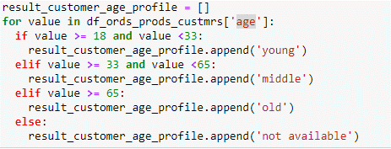
 | fam_size | number_dependants | if 0 then small, if 1 then middle, if 2 then big, if 3 then large
 | income_category | income | see screenshot on the right

6. Visualizations
 |  |  |  |  |  |  |  |  |  |  | Title page

Visualisations

In this tab you should include all the visualtions from Exercises 4.9 and 4.10, alongside the questions from the project brief that they answer. Include any commentary on the relationship between different variables.

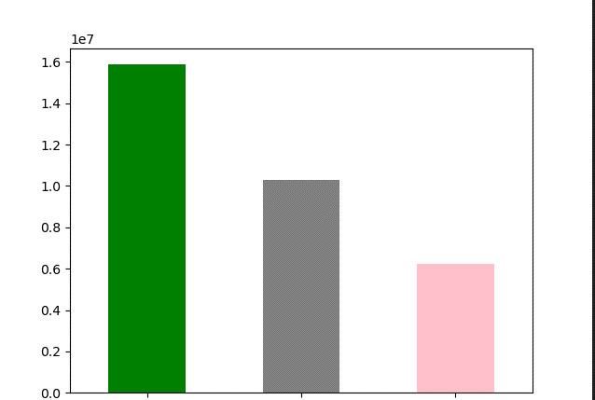
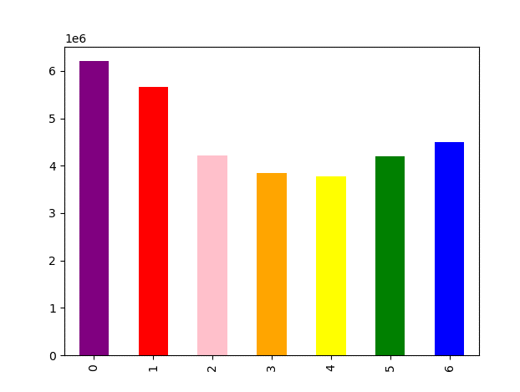
 |  |  |  |  |  |  |  |  |  |  |  |  |  |  |  |  |  |  |  | green Regular customer
 |  |  |  |  |  |  |  |  | 0: Saturday
 |  |  |  |  |  |  |  |  | 1: Sunday |  |  |  |  |  |  |  |  |  |  | Grey: loyal customer
 |  |  |  |  |  |  |  |  | 2: Monday
 |  |  |  |  |  |  |  |  | 3: Tuesday |  |  |  |  |  |  |  |  |  |  | Pink_ new customer
 |  |  |  |  |  |  |  |  | 4: Wednesday
 |  |  |  |  |  |  |  |  | 5: Thursday
 |  |  |  |  |  |  |  |  | 6: Friday

 |  |  |  |  |  |  |  |  |  |  | as we can see most of he customer are in the regular category

On this chart we can see order frequency during the week. The mosts orders comes on Saturday

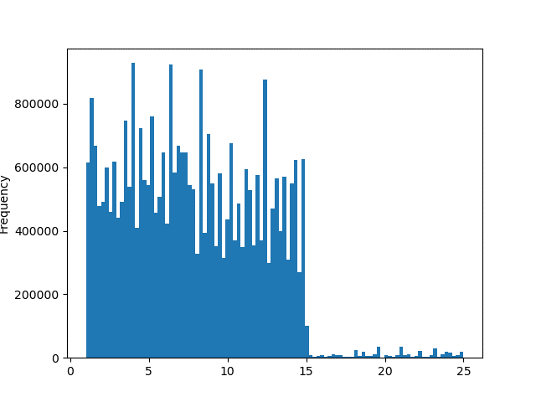
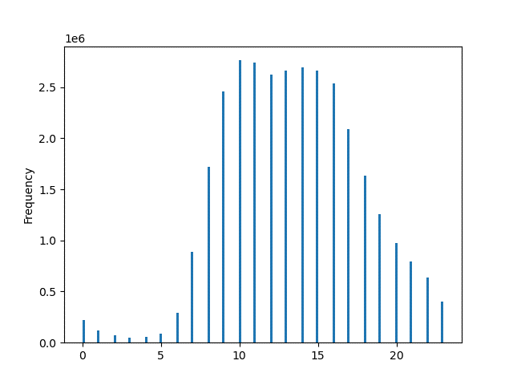

 | On this histogram we can see order frequency on hour level
 | peak times are between 10 and 16 |  |  |  |  |  |  |  |  |  | price and amount of products ordered frequency. Most of the orders that are sold are below 16.

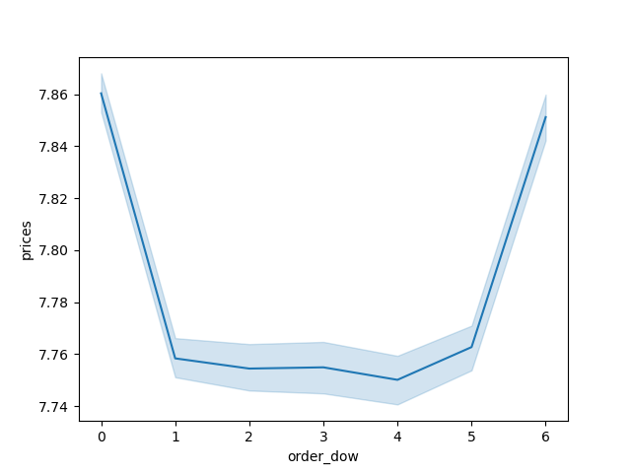


on this line chart we can see amount of dependants and age. |  |  |  |  |  |  |  |  |  |  |  | legend is the same as in the first bar chart. Most of the orders are on the weekends
As we can see there is no clear link between age and omount o dependants

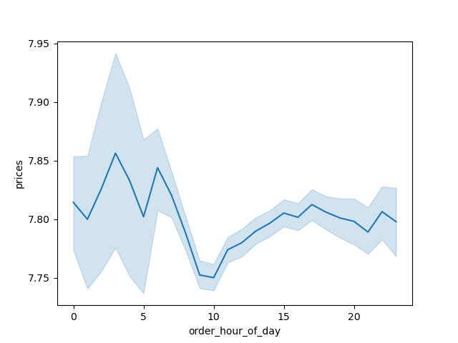

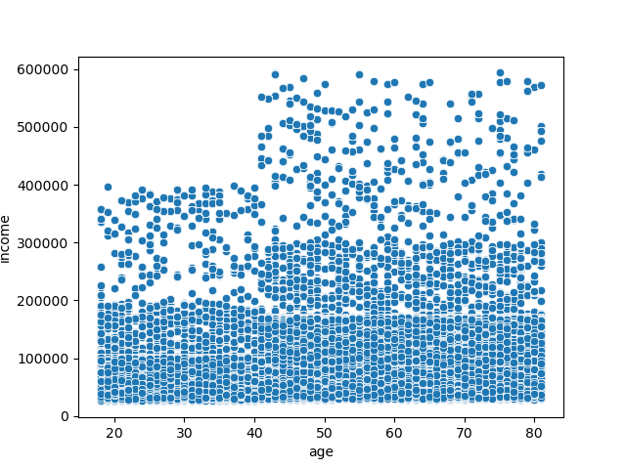

the most expensive products are purchased impulsively between 0 and 7 am. After that the price of items purchased dropps

 |  |  |  |  |  |  |  |  |  | family size per region (rule for classifying can be find in the column derivations tab)

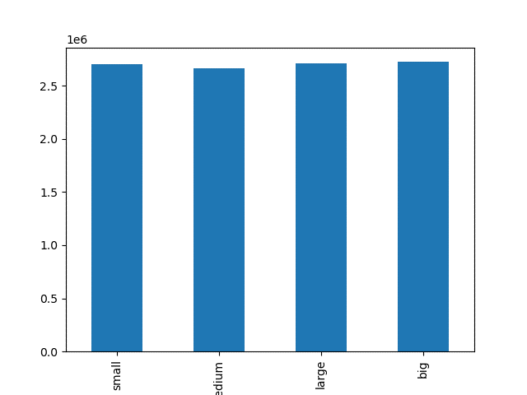
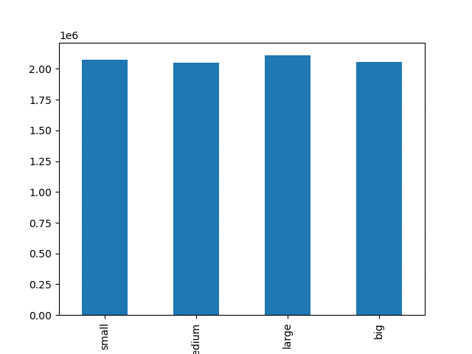

 |  | south region
 |  |  |  |  |  |  |  |  |  |  |  |  | west region

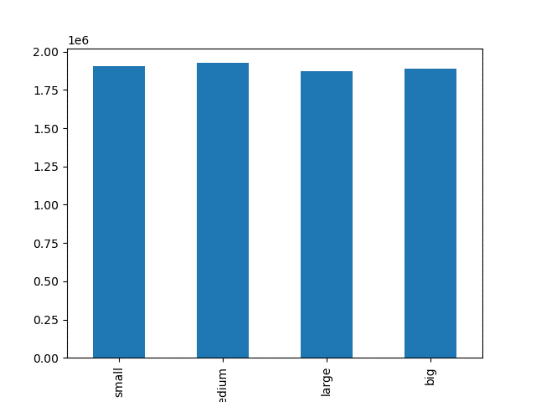

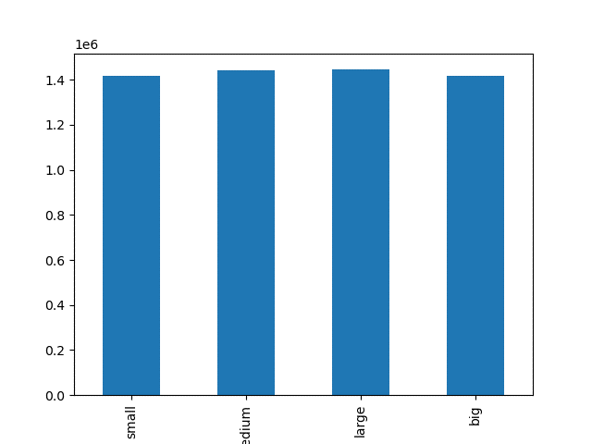

 |  |  |  |  |  |  |  |  |  |  |  | midwest region
 | northeast region

 |  |  |  |  |  |  |  | no clear pattern is find in the family size and region

 |  |  |  |  |  |  |  |  | region and age category (rules for defining age category can be found in derivations tab)

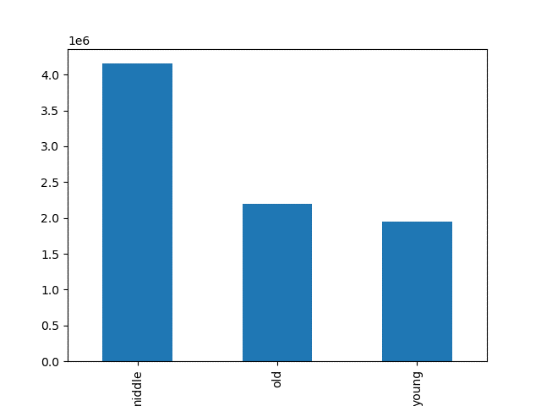

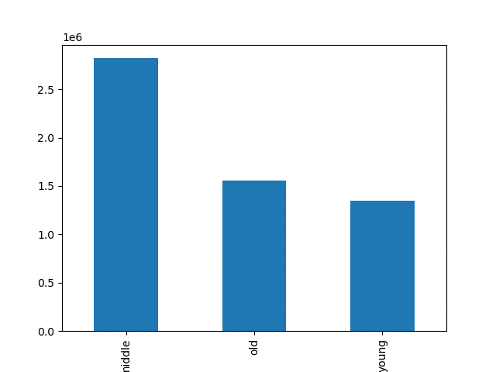

 | west region
 |  |  |  |  |  |  |  |  |  |  |  |  |  | northeast region





 | midwest region
 |  |  |  |  |  |  |  |  |  |  |  |  |  | south region

 |  |  |  |  |  |  |  | also no clear pattern found between age and region where the customer lives

 |  |  |  |  |  |  |  |  |  | region and income category

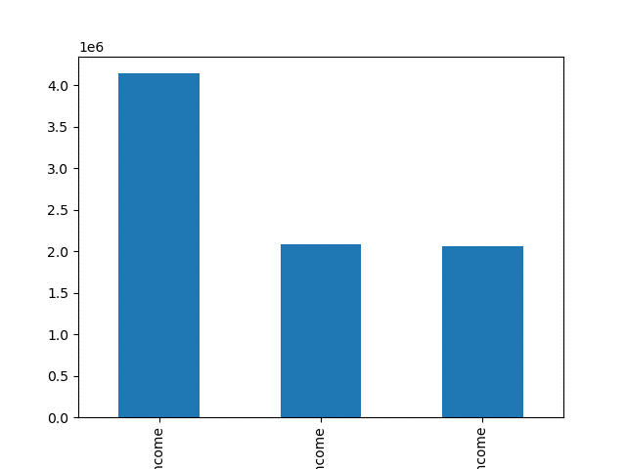


 |  |  | low income |  | middle income |  | high income
 |  |  |  |  |  |  |  |  |  |  |  |  |  |  | low income |  | high income |  | middle income

 |  |  |  |  | west region |  |  |  |  |  |  |  |  |  |  |  | south region




 |  |  | low income | high income |  |  | middle income
 |  |  |  |  |  |  |  |  |  |  |  |  |  |  | low income |  | middle income |  |  | high income

 |  |  |  | northeast region
 |  |  |  |  |  |  |  |  |  |  |  |  |  |  |  | midwest region

 |  |  |  |  | south has the most population with the highest earners among other regions and northeast has the least high income customers. That explains why the low spender rate is so high in northeast and correlation between income and spending characteristic. There is a clear pattern

 |  |  |  |  |  |  |  |  |  | family size and baby orders

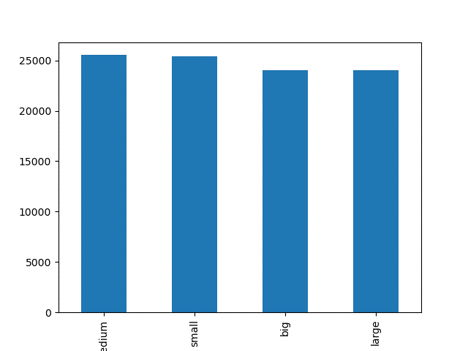
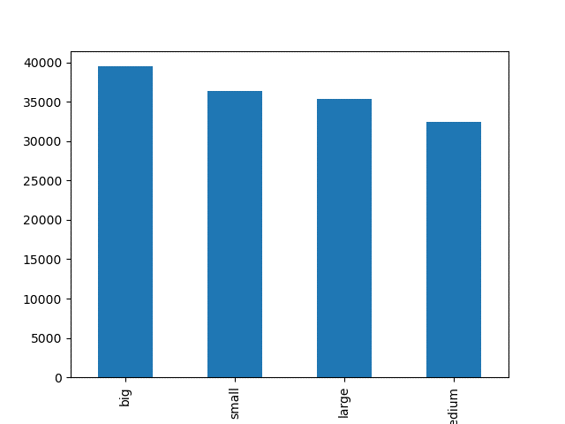

 |  |  |  | midwest |  |  |  |  |  |  |  |  |  |  |  |  |  | south

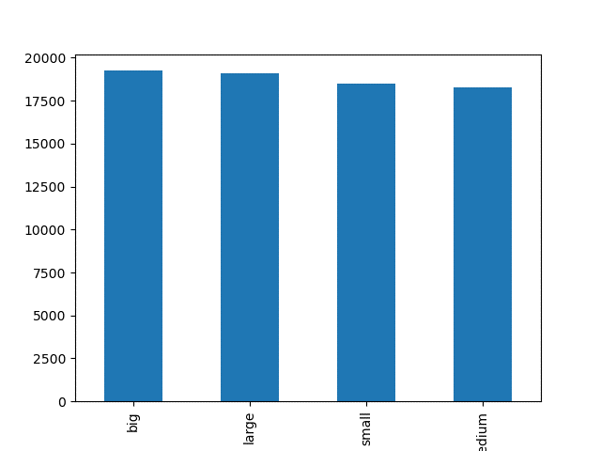
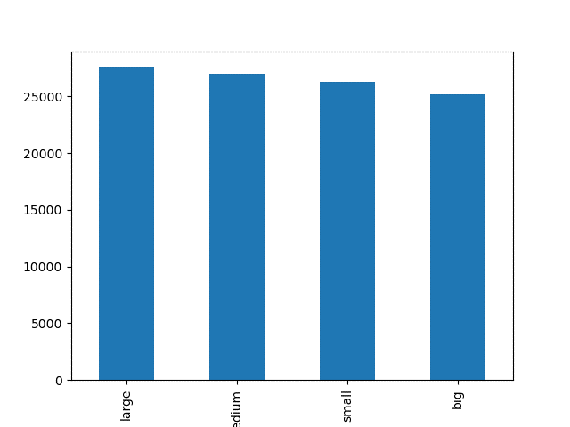

 |  |  |  | northeast
 |  |  |  |  |  |  |  |  |  |  |  |  |  |  |  |  |  |  | west

 |  |  |  |  |  | as we can see there is no clear pattern in family size and baby products ordered in some regions we can see that bigger and larger families has more babies orders, however in general it has no clear link to amount of deppendants

7. Recommendations
 |  | Title page

Recommendations

In this tab you should include any recommendations you would made to Instcart in terms of their marketing strategy based on the questions posed in the brief. Every key question has been covered in the Tasks of the Exercises - here you need to add an item - a visualisation or table/crosstable that is showing the answer in the data, acompanied by a comment from you. Please, list the questions below and add the answer underneath.

Question | Answer
Key Question 1 | based on the analysis the best days and times would be on the weekdays (especially Monday - Wednesday between 16 and 21 pm.)
Key Question 2 | more expensive items are bought impulsively at night between 0 and 5 am.that would be the best time period for advirtisment
Key Question 3 | based on the analysis of items bought, instacart could split price range into low and high. There is a huge differnce between items below 15 and after 15. This could be a limitation for the range.
Key Question 4 | department number 21 20 and 19 has the highest mean across all the orders which would mean.
Key Question 5 | majority of the customers are regular customers, then comes loyal and after new customers. Would be necessary to find strategy on how to increase amount of orders for new customers
Key Question 6 | the only clear pattern until now was found in income and age per region. I would suggest to adjust the instacart products for each region based on the income profle and age to increase orders
Key Question 7 | I would suggest to deepdive more into profiling on more criterias and clear definition of the profiles. After that it would be necessary to target each separate profile with special offers based on their spending behaivior.

